ActivityMap
Activity Map = decarbX_v1

Chatbot features with accurate, doman-specific knowledge: hydrogen energy tech
Up-to-date knowledge on hydrogen
Provides citations of results. Allows community to challenge them to improve
Suggests related prompts based on user's prompt history or commonly asked questions
Return relevant graphs/images of input prompt

Incorporates knowledge from oil & gas industry and related tangential industries
Users suggest new sources
Users awarded larger amount of tokens (or karma) once three others verify source

Retains knowledge state throughout interaction with user

Fluid and fast interaction with user
More tokens allowed and cheaper than ChatGPT
Users awarded token for initial suggestions

uncertain

Natural Gas Infrastructure
Biomass TEA
CCU/CCUS

Hydro TEA
Hydrogen TEA
Electric Grid
policy
regulation
carriers
integrated systems
Natural Gas TEA
production
transmission
storage
end uses

Nuclear TEA

Wind TEA

Solar TEA

WorkFlow
C.H.E.W.I.E. (V1)

LLM Application

[LangChain (framework),
ChatGPT
Cohere, Claude
many more...]

Raw Data
Raw data to be embedded
Knowledge Graph
Requests
Process co-pilot
Embedding API
User Prompt
PyPDF load/split into JSON
Rates Results
[Estuary Flow,
Cohere,
Hugging Face, OpenAI, many more...]
Query
Results
User
[Google Cloud Storage: input.json]
Annotate
Embedded data to be vectorized
Initial Results

Ripple Down Rules
VectorDB API / Transformer
Initial Results
Results Ranker
additional related questions
New Knowledge

Retriever
Sources get re-rated
Reinforcement Learning
[Pinecone, Chroma, Deep lake, FAISS,
many more....]
Knowledge Update
Knowledge

[Google Docs]
Subject Matter Experts

Raw Data Web Scraper

[Python]

ESG_WorkFlow
Skip Question
Start with Which metric?
Skip Question, continue, save/exit?
Start New?
Which framework?
GRI
SASB
TFCD
etc.
Which Section?
Technical
Ecocnomic
Environmental
Social
etc.
Yes
Questions to answer each metric
Continue
User Landing Page

Pick New Framework or Save and start new?

Save and Exit to Main

Compare to peers?

Browse industries
View database

Help me find my peers
Answer questiosn

HelpfulDocumentation
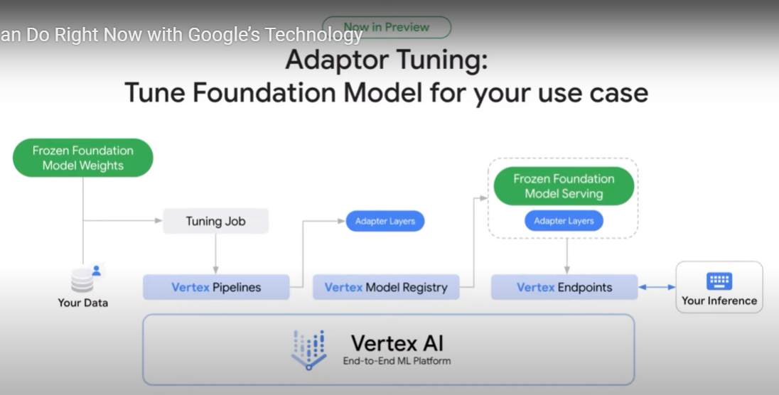
https://python.langchain.com/docs/modules/data_connection/
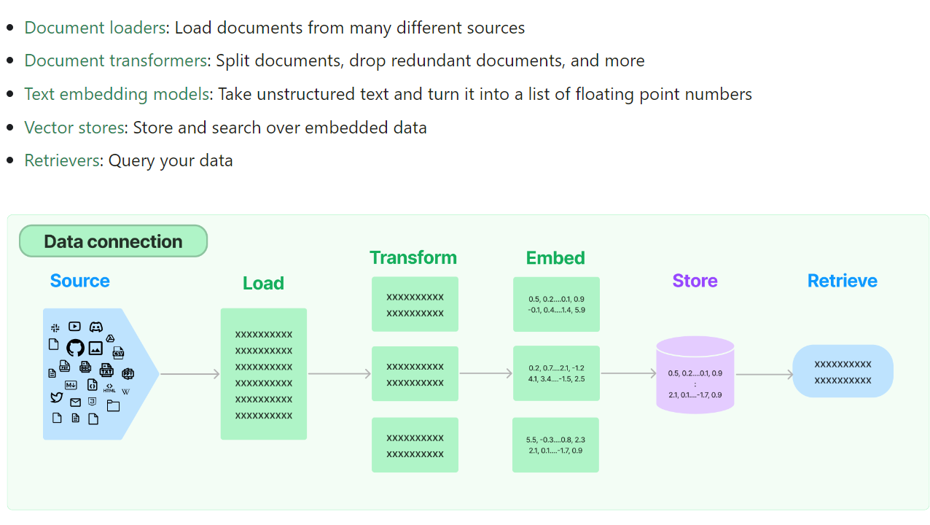

RetrievalQA works with both the vectorstores and the chain
- Keep text input to no more than 10-15 lines to control how many tokens being sent to LLM. -> should be vetted further.
"Agents" are a way to control what data is called when given prompt

